Project
2.1.) Project Information
Team name | Net 1 Bier
Team members | Randolph Bock
 | FJ Fourie
 | Anton Durandt

System Breakdown
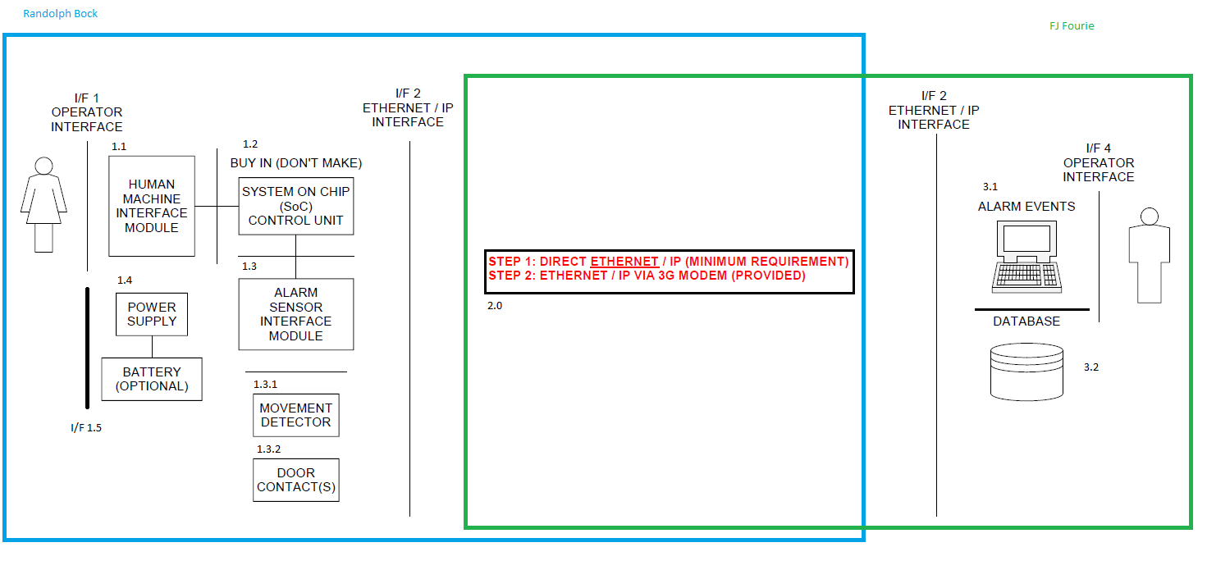

Work Breakdown and Allocation

Design circuit for security inputs(Including Door switches and PIR's) | Randolph Bock
Design circuit for output siren( to be run on 12v) | Randolph Bock
Design and implement a user interface | Randolph Bock
Design and code the SoC to handle all inputs and outputs | Randolph Bock
Order parts | Randolph Bock
Trade-off decisions | Randolph Bock
Assemble the final unit 1 as a whole | Randolph Bock
Design and implement a Direct ethernet / IP connection between SoC and Pc | Randolph Bock
Designing and implementing the backend communications | FJ Fourie
Design database for information of users and alarm systems | FJ Fourie
Design backend operator interface | FJ Fourie
Write program for backend of system to manage alarms going off and instruct operators on what to do | FJ Fourie
Integrate backend program with database | FJ Fourie
Ensure operator interface works correctly with signals received from web | FJ Fourie
Assemble the final complete project | FJ Fourie

Project Schedule

Progress Tracking
 |  | Project Status
 | % Complete | Green | Amber | Red | Description
Week 1 | 0% |  |  |  | Project Initiation
Week 2 | 0%
Week 3 | 5% |  |  |  | Test - Functional Analysis
Week 4 | 10% |  |  |  | Preliminary Design Complete
Week 5 | 20% |  |  |  | Members work allocation Done
Week 6 | 25% |  |  |  | Documatation Done to 25%
Week 7 | 30% |  |  |  | 30% Completion Milestone
Week 8 | 35% |  |  |  | Design on code stcutures, order components
Week 9 | 40% |  |  |  | Documatation Done to 40%
Week 10 | 40%
Week 11 | 45% |  |  |  | 50% deadline completion was not perfect (Member Anton not partcipating in group)
Week 12 | 45%
Week 13 | 60% |  |  |  | Allow for Member Anton to complete his work and participate with the group
Week 14 | 80% |  |  |  | 80% Completion Milestone( All sub systems complete, integration remaining)
Week 15 | 90% |  |  |  | Start integration between sub systems
Week 16 | 100% |  |  |  | Resolved Issue with non participating member, continuing with only 2 members (See change control N1B001)
Week 17 | 100%

Randolph Bock
2.4.) Member A
Member name | Randolph Bock
Expertise | Software / Electronics / Documentation

Unit Breakdown
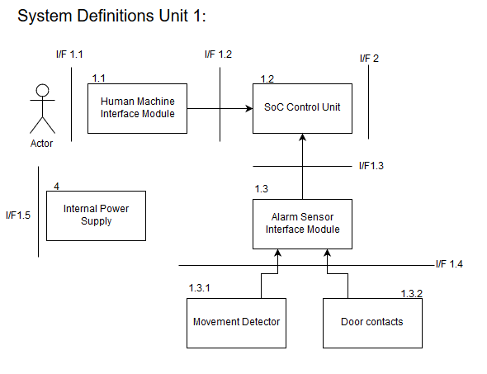

Member Work Breakdown
Design circuit for security inputs(Including Door switches and PIR's)
Design circuit for output siren( to be run on 12v)
Design and implement a user interface
Design and code the SoC to handle all inputs and outputs
Order parts
Trade-off decisions
Assemble the final unit as a whole
Member Schedule

Progress Tracking
 |  | Project Status
 | % Complete | Green | Amber | Red | Description
Week 1 | 0% |  |  |  | Project Initiation
Week 2 | 0%
Week 3 | 5% |  |  |  | Test - Functional Analysis
Week 4 | 10% |  |  |  | Preliminary Design Complete
Week 5 | 15% |  |  |  | Work allocation received (alocated Unit 1)
Week 6 | 30% |  |  |  | Documentation done to 30%
Week 7 | 30% |  |  |  | Bill of materials created and evaluated
Week 8 | 35% |  |  |  | Order required commponets
Week 9 | 40% |  |  |  | 40% Completion of Documentation
Week 10 | 50% |  |  |  | 50% Completion of Documentation
Week 11 | 60% |  |  |  | Complete design of inputs and outputs for unit 1
Week 12 | 70% |  |  |  | Complete code and implemetation thereof on the SoC
Week 13 | 80% |  |  |  | Final Asembly and construction of the Alarm Panel
Week 14 | 90% |  |  |  | Complete implementation on Alarm Panel
Week 15 | 95% |  |  |  | Complete intgration with oth sub-systems
Week 16 | 100% |  |  |  | Complete all required documentation
Week 17 | 100% |  |  |  | Demonstration

Experience Report
Unit 1 of the project was allocated to me at the start of the project. Unit 1 is the Alarm panel, to complete the Unit 1, programming as well as electronic knowledge is needed.
For unit 1, interfaces had to be designed. The interfaces design for the human/machine interface is both audio and visual. Driving circuits had to be designed for these inputs & outputs.
A power supply and power protection had to be designed and built to power the SoC in the alarm panel as well as other peripherals and sensors. The power supply had to be designed according to an interface Control document, stating the connections and power constraints. The interface control document had to be set up and sign between the two parties.
After all electronic board where constructed by soldering the components to “proto-board” the system could be coded. The system runs on a SBC, the Raspberry Pi 3B running the Raspbian OS, a Linux distro. Linux commands had to be learned to operate the system, and to run the python scrip on start-up of the system.
The code for the alarm system was done in python, a coding language where I had previous experience.
The code was written in accordance to designs, flow diagrams and State machines.
Unit 1 was successfully built and tested for all requirements stated. Along with designing and building unit 1, all aspects thereof was documented, and noted.
After a Non-participating member as identified in the group (Anton Durandt), myself and FJ conducted a change control to remove the member from the group. Meeting was held with Anton to convince him to participate in the group, but after this failed the change control was filed and approved, this can be seen in change control document N1B001.
After the acceptance of the change control document, a part of unit 2, the network communications, was also allocated to me.
The network communications were done in accordance with interface control document (I/F 2), created by FJ and Myself.
Along with the design process, I also headed meetings and help with crucial design decisions.
All required team and individual documentation was done as stated.

FJ Fourie
Member Information
Member name | FJ Fourie
Expertise | Software / Hardware / Documentation etc - can be more than one - indicate which expertise suit you best.

Unit Breakdown

Insert each member's own high-level diagram of the sub-system / module architecture and include software as part of the system. Clearly label all functional units (hardware and software) and all interfaces.
Note: High-level only for project planning purposes - detail breakdown will be part of the Specification Document of each member.
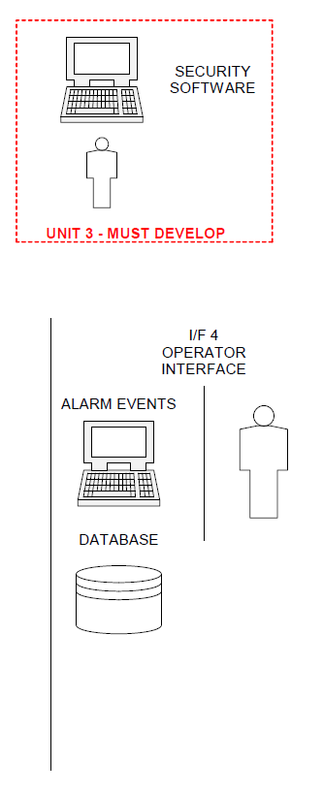

Member Work Breakdown
Design database for information of users and alarm systems
Design backend operator interface
Write program for backend of system to manage alarms going off and instruct operators on what to do
Integrate backend program with database
Ensure operator interface works correctly with signals received from web
Assemble the final complete project
Designing and implementing the backend communications
Member Schedule

Progress Tracking
 |  | Project Status
 | % Complete | Green | Amber | Red | Description
Week 1 | 100% |  |  |  | Project Initiation
Week 2 | 100%
Week 3 | 100% |  |  |  | Test - Functional Analysis
Week 4 | 100% |  |  |  | Preliminary Design Complete
Week 5 | 100% |  |  |  | Work allocation received (alocated Unit 3)
Week 6 | 100%
Week 7 | 100%
Week 8 | 100%
Week 9 | 100%
Week 10 | 100%
Week 11 | 100%
Week 12 | 100%
Week 13 | 100%
Week 14
Etc

Anton Durandt
2.6.) Member C
Member name | Anton Durandt
Expertise

Unit Breakdown

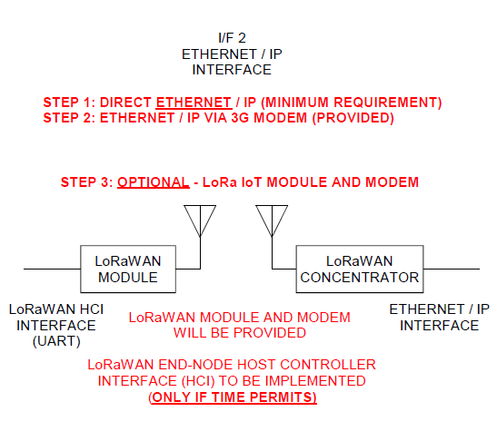

Member Work Breakdown
Design and implement a Direct ethernet / ip connection between SoC and Pc
Designing and implementing the backend communications

Member Schedule

Progress Tracking
 |  | Project Status
 | % Complete | Green | Amber | Red | Description
Week 1 | 0% |  |  |  | Project Initiation
Week 2 | 0%
Week 3 | 10% |  |  |  | Test - Functional Analysis
Week 4 | 10%
Week 5 | 10% |  |  |  | Work allocation received (alocated Unit 3)
Week 6 | 10%
Week 7 | 10%
Week 8 | 10%
Week 9 | 10%
Week 10 | 10%
Week 11 | 10%
Week 12 | 10%
Week 13 | 10%
Week 14 | 10%
Week 15 | 10%
Week 16 | 10% |  |  |  | Non-Participatin member removed from team, see change proposal N1B001
Week 17 | 10%

